Sheet1
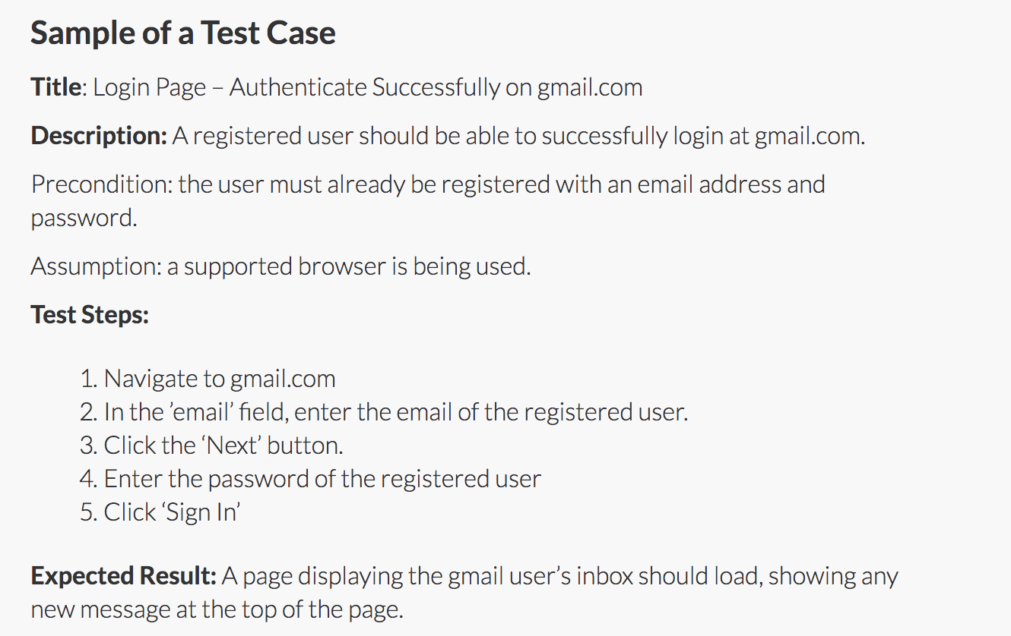
Test Case ID # | Title | Story | Description | Test Step | Expected Result | Actual Outcome
TC12 | User access SmartCity | As a User I want to access the SmartCity page by entering the url into my browser to that I can access the system quickly | Precondition: the user must be registered to the system with a username, password and user type. The user needs to be correctly logged in | 1. User types url into brower 2. Smart City Page appears 3. User can login and use system as normal | User can access Smart City System Via Web browser
TC13 | User login | As a User I want to be able to login with a unique username and password to maintain my privacy | Precondition: the user must be already registered to the system with an account that includes their username, password and user type. | 1. Enter Username 2. Enter Incorrect Password 3. Confirm Login Doesn't work 4. Enter Correct Password 5. Confirm Login | The user can sucessfully log in after entering correct username and password
TC14 | User search restrictions | As a User I want to be able to search all available data types regardless of my User type | Precondition: the user must be registered to the system with a username, password and user type. The user needs to be correctly logged in | 1. Attempt to search without logging in 2. Confirm that search can only take place when logged in. | The user cannot search when not logged into the system
TC15 | User account creation | As a User I want to be able to create an account, so that the system can remember my information and personalise my experience. | Precondition: New user has access to Smart City System | 1. Allow User to Register 2. Confirm the user registration details are in the database | The user's inputted data will be saved in the databade and remembered by the system
TC16 | User location services | As a User I want the system to know my location, so that it can give me information regarding POI’s close to my current location | Precondition: the user must be registered to the system with a username, password and user type. The user needs to be correctly logged in | 1. Click 'use my location button' 2. Confirm that current location co-ordinates are used for search 3. Confirm accurate results appear | The location results will match the users physical location
TC17 | POI map format | As a User I want the location of POI’s to be shown in a map format, so that I can easily find and visualise a POI’s location. | Precondition: the user must be registered to the system with a username, password and user type. The user needs to be correctly logged in | 1. User searches for cetegory location 2. Category Location is displayed with a map | Locations will be displayed with a map
TC18 | Recover password | As a User I want the system to have a recover password function so that I can always login even If i have lost my password. | Precondition: the user must be already registered to the system with an account that includes username, password and email address. | 1. Enter username / email 2. Confirm that Password reset email is sent to user 3. Confirm ability to change password 4. Confirm password changed in database | The user will be able to change their password
TC19 | Search range | As a User, I want to be able to use the system outside of Brisbane so that use the system when visiting other cities | Precondition: the user must be registered to the system with a username, password and user type. The user needs to be correctly logged in | 1. Click to change location 2. Confirm that search results are for chosen location rather than default location | The search results will match the city location of the user
TC20 | POI categories | As an Administrative User I want to be able to create new POI type categories so new searches can be conducted in the future. | Precondition: the user is an already registered Administrator and is correctly logged into the system. | 1. Admin User Logs into system 2. Admin User adds a new POI Category 3. Check that new POI Category is saved to the database | New POI categories added by Admin Users will be saved and displayed by the system
TC21 | Student cafe search | As a Student, I want to be able to find cheap cafes near me so that I can afford to eat out. | Precondition: the user must be registered to the system with a username, password and user type. The user needs to be correctly logged in | 1. Student Logs into system 2. Student searches for cafes 3. System returns search results 4. Check correct cafe results from the database are displayed | The system returns cafes results to the student search
TC22 | Compare Hotels | As a User I want to be able to compare hotels so that I can make an informed choice of which hotel to stay at | Precondition: the user must be registered to the system with a username, password and user type. The user needs to be correctly logged in | 1. User logs into system 2. User searches for hotels 3. System returns search results 4. User clicks "compare hotels button" 5. Check that System compares hotel search results | The system returns hotel search results and presents the hotels in a comparative format
TC23 | Compare Colleges | As a Student, I want to be able to compare what colleges are near me so that I can make an informed choice of where to go and study. | Precondition: the user must be registered to the system with a username, password and user type. The user needs to be correctly logged in | 1. Student logs into system 2. Student searches for hotels 3. System returns search results 4. Student clicks "compare colleges button" 5. Check that System compares college search results | The system returns hotel search results and presents the colleges in a comparative format
TC24 | Rating filter | As a User, I want to be able to filter my results by ratings so that I can determine which POI's are popular to visit. | Precondition: the user must be registered to the system with a username, password and user type. The user needs to be correctly logged in
TC25 | Reviews and Ratings | As a User I want to be able to see public reviews and ratings so that I can see other user's insights into different POI's. | Precondition: the user must be registered to the system with a username, password and user type. The user needs to be correctly logged in
TC26 | User Create reviews | As a User I want to be able to to rate and create POI reviews so that I can share my insight on various POI's | Precondition: the user must be registered to the system with a username, password and user type. The user needs to be correctly logged in
TC27 | Cancel account | As a User I want to be able to cancel my account in order to maintain my privacy | Precondition: the user must be already registered to the system with an account
TC28 | Book hotels | As a User I want to be able to book hotels through the system so that I can easily organise my accommodation. | Precondition: the user must be registered to the system with a username, password and user type. The user needs to be correctly logged in
TC29 | Book resturants | As a User I want to be able to book restaurants through the system so that I can easily make eating plans | Precondition: the user must be registered to the system with a username, password and user type. The user needs to be correctly logged in
TC30 | App | As a User I want to be able access the system as an application on a smartphone so that I can use the system on multiple platforms. | Precondition: the user must be registered to the system with a username, password and user type. The User needs to have access to the offical Smart City app

